Simulation
Initial investment | 1,000 € |  |  | ▲▼ |  |  |  |  | add 30day max and min
New investment/year | 3,000 € | 250 € |  |  |  |  |  | ok | add notation on TickerAnalysis
Dividend | 4% |  |  |  |  |  | Points: | also main | add SMA on TickerAnalysis graphs
Capital growth | 7% |  |  |  |  |  | Current Price < Obj3Mois | ok | add sector average in TickerAnalysis
Tax | 17.2% |  |  |  |  |  | 2022 Dividende Prevision / Current Price > 5 Years Average |  | add button to open firefox page with all details for selected Ticker (yf, twitter, google search ticker+investor relations,
 |  |  |  |  |  |  | 5 Years Average Yield > 4% | ok | watch list
 |  |  |  |  |  |  | 2021 Yield > 4% |  | add links to various websites for ticker inTickerAnalysis (wikipedia, news, twitter, tradingview, yahoo finance, info-financiere,AMF, finbox)
Year | Capital | Yearly dividend | Total Invested | Capital Net | Actual investment | Capital Net | 2022 Dividend Prevision > 2019 Dividend | ok | calculate rating for each stock
0 | 1,070 € | 43 € | 1,000 € | 1,058 € |  |  | Dividends every year 2015-2019 |  | add RSI in TickerAnalysis and Dividend H
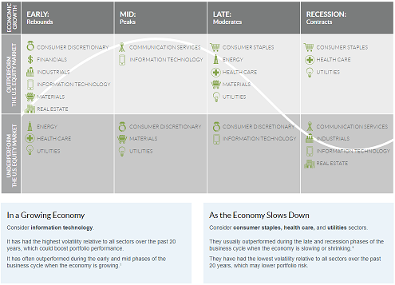
1 | 4,401 € | 176 € | 4,000 € | 4,332 €
2 | 8,107 € | 324 € | 7,000 € | 7,917 €
3 | 12,232 € | 489 € | 10,000 € | 11,848 €
4 | 16,821 € | 673 € | 13,000 € | 16,164 €
5 | 21,929 € | 877 € | 16,000 € | 20,909 €
6 | 27,612 € | 1,104 € | 19,000 € | 26,131 €
7 | 33,937 € | 1,357 € | 22,000 € | 31,884 € |  |  | Valuation Measures
8 | 40,975 € | 1,639 € | 25,000 € | 38,227 € |  |  | Market Cap (intraday)
9 | 48,807 € | 1,952 € | 28,000 € | 45,228 € |  |  | Enterprise Value
10 | 57,522 € | 2,301 € | 31,000 € | 52,961 € |  |  | Trailing P/E
11 | 67,221 € | 2,689 € | 34,000 € | 61,507 € |  |  | Forward P/E
12 | 78,014 € | 3,121 € | 37,000 € | 70,959 € |  |  | PEG Ratio (5yr expected)
13 | 90,023 € | 3,601 € | 40,000 € | 81,419 € |  |  | P/S (ttm)
14 | 103,388 € | 4,136 € | 43,000 € | 93,001 € |  |  | P/B (mrq)
15 | 118,260 € | 4,730 € | 46,000 € | 105,832 € |  |  | Enterprise Value/Revenue
16 | 134,810 € | 5,392 € | 49,000 € | 120,051 € |  |  | Enterprise Value/EBITDA
17 | 153,227 € | 6,129 € | 52,000 € | 135,816 € |  |  | Fiscal Year
18 | 173,721 € | 6,949 € | 55,000 € | 153,301 € |  |  | Fiscal Year End
19 | 196,526 € | 7,861 € | 58,000 € | 172,700 € |  |  | Most Recent Quarter
20 | 221,904 € | 8,876 € | 61,000 € | 194,229 € |  |  | Profitability
21 | 250,145 € | 10,006 € | 64,000 € | 218,128 € |  |  | Profit Margin
22 | 281,572 € | 11,263 € | 67,000 € | 244,665 € |  |  | Operating Margin (ttm)
23 | 316,543 € | 12,662 € | 70,000 € | 274,138 € |  |  | Management Effectiveness
24 | 355,459 € | 14,218 € | 73,000 € | 306,876 € |  |  | Return on Assets (ttm)
25 | 398,765 € | 15,951 € | 76,000 € | 343,249 € |  |  | Return on Equity (ttm)
26 | 446,955 € | 17,878 € | 79,000 € | 383,667 € |  |  | Income Statement
27 | 500,582 € | 20,023 € | 82,000 € | 428,586 € |  |  | Revenue (ttm)
28 | 560,258 € | 22,410 € | 85,000 € | 478,513 € |  |  | R/S (ttm)
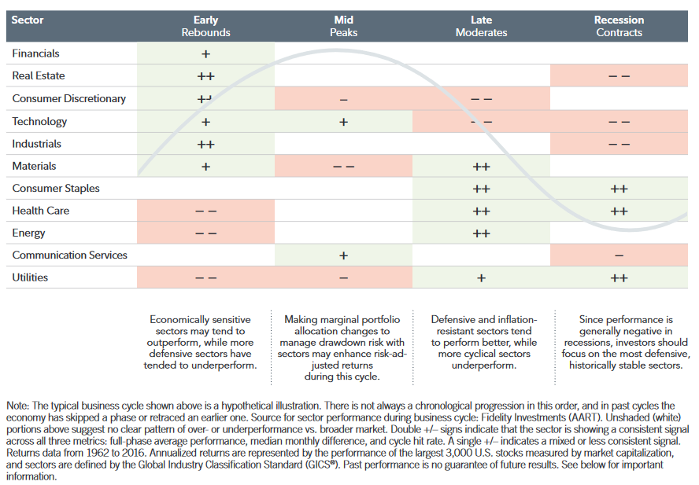
29 | 626,665 € | 25,067 € | 88,000 € | 534,014 € |  |  | Quarterly Revenue Growth (yoy)
30 | 700,562 € | 28,022 € | 91,000 € | 595,718 € |  |  | Gross Profit (ttm)
31 | 782,796 € | 31,312 € | 94,000 € | 664,323 € |  |  | EBITDA
32 | 874,305 € | 34,972 € | 97,000 € | 740,609 € |  |  | Net Income Avi to Common (ttm)
33 | 976,137 € | 39,045 € | 100,000 € | 825,441 € |  |  | Diluted EPS
34 | 1,089,455 € | 43,578 € | 103,000 € | 919,785 € |  |  | Quarterly Earnings Growth (yoy)
35 | 1,215,556 € | 48,622 € | 106,000 € | 1,024,712 € |  |  | Balance Sheet
36 | 1,355,880 € | 54,235 € | 109,000 € | 1,141,417 € |  |  | Total Cash (mrq)
37 | 1,512,034 € | 60,481 € | 112,000 € | 1,271,228 € |  |  | Total Cash Per Share (mrq)
38 | 1,685,801 € | 67,432 € | 115,000 € | 1,415,623 € |  |  | Total Debt (mrq)
39 | 1,879,170 € | 75,167 € | 118,000 € | 1,576,248 € |  |  | Total Debt/Equity (mrq)
40 | 2,094,350 € | 83,774 € | 121,000 € | 1,754,934 € |  |  | Current Ratio (mrq)
41 | 2,333,803 € | 93,352 € | 124,000 € | 1,953,716 € |  |  | Book Value Per Share (mrq)
42 | 2,600,265 € | 104,011 € | 127,000 € | 2,174,864 € |  |  | Cash Flow Statement
43 | 2,896,785 € | 115,871 € | 130,000 € | 2,420,898 € |  |  | Operating Cash Flow (ttm)
44 | 3,226,753 € | 129,070 € | 133,000 € | 2,694,627 € |  |  | Levered Free Cash Flow (ttm)
45 | 3,593,941 € | 143,758 € | 136,000 € | 2,999,175 € |  |  | Stock Price History
46 | 4,002,547 € | 160,102 € | 139,000 € | 3,338,017 € |  |  | Beta (5yr Monthly)
47 | 4,457,244 € | 178,290 € | 142,000 € | 3,715,022 € |  |  | 52-Week Change
48 | 4,963,231 € | 198,529 € | 145,000 € | 4,134,496 € |  |  | S&P500 52-Week Change
49 | 5,526,294 € | 221,052 € | 148,000 € | 4,601,227 € |  |  | 52 Week High
50 | 6,152,870 € | 246,115 € | 151,000 € | 5,120,548 € |  |  | 52 Week Low
51 | 6,850,124 € | 274,005 € | 154,000 € | 5,698,390 € |  |  | 50-Day Moving Average
52 | 7,626,028 € | 305,041 € | 157,000 € | 6,341,355 € |  |  | 200-Day Moving Average
53 | 8,489,454 € | 339,578 € | 160,000 € | 7,056,788 € |  |  | Share Statistics
54 | 9,450,274 € | 378,011 € | 163,000 € | 7,852,863 € |  |  | Average Volume (3 months)
55 | 10,519,475 € | 420,779 € | 166,000 € | 8,738,677 € |  |  | Average Volume (10 days)
56 | 11,709,282 € | 468,371 € | 169,000 € | 9,724,353 € |  |  | Shares Outstanding
57 | 13,033,298 € | 521,332 € | 172,000 € | 10,821,155 € |  |  | Float
58 | 14,506,665 € | 580,267 € | 175,000 € | 12,041,618 € |  |  | % Held by Insiders | https://institutional.fidelity.com/app/item/RD_13569_40890/business-cycle-update.html?pos=T
59 | 16,146,226 € | 645,849 € | 178,000 € | 13,399,691 € |  |  | % Held by Institutions | https://fr.tradingeconomics.com/france/indicators
60 | 17,970,731 € | 718,829 € | 181,000 € | 14,910,897 € |  |  | Shares Short
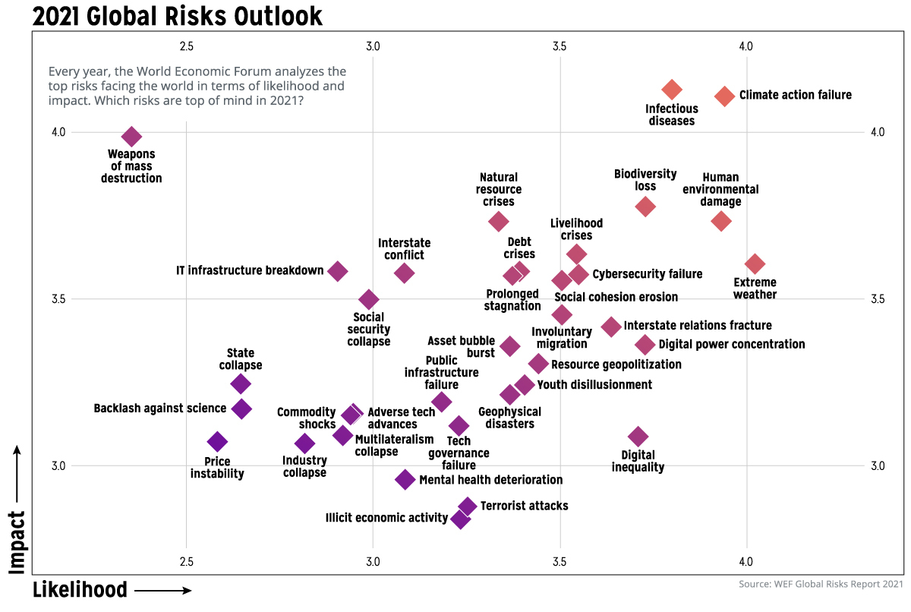
 |  |  |  |  |  |  | Short Ratio
 |  |  |  |  |  |  | Short % of Float
 |  |  |  |  |  |  | Short % of Shares Outstanding
 |  |  |  |  |  |  | Shares Short (prior month)
 |  |  |  |  |  |  | Dividends & Splits
 |  |  |  |  |  |  | Forward Annual Dividend Rate
 |  |  |  |  |  |  | Forward Annual Dividend Yield
 |  |  |  |  |  |  | Trailing Annual Dividend Rate
 |  |  |  |  |  |  | Trailing Annual Dividend Yield
 |  |  |  |  |  |  | 5 Year Average Dividend Yield
 |  |  |  |  |  |  | Payout Ratio
 |  |  |  |  |  |  | Dividend Date
 |  |  |  |  |  |  | Ex-Dividend Date
 |  |  |  |  |  |  | Last Split Factor
 |  |  |  |  |  |  | Last Split Date

 |  |  |  |  |  |  |  | https://www.visualcapitalist.com/visualized-a-global-risk-assessment-of-2021-and-beyond/

TickerAnalysis
7-Days
2021-03-26 | 83.569999695 | #N/A | #N/A
2021-03-29 | 84.480003357 | #N/A | #N/A
2021-03-30 | 83.86000061 | #N/A | #N/A
2021-03-31 | 84.25 | #N/A | #N/A
2021-04-01 | 84.199996948 | #N/A | #N/A
Symbol: | SAN.PA | 84.459999084 | Last metrics update: | ROA>0 | OCF>N-1 | ROA>N-1 | DEBT<N-1 | RATIO>N-1 | <GrahamNumber | RPS>N-1 | <P/B | roe>N-1 | earningsYield>N-1 | roic>2% | roic>N-1 | roe>10% | roe>N-1 | R/S>N-1
 |  |  | SAN.PA | 0.090387587423 | -4.119576399 | 0.0075205756961 | 0.76024912775 | 0.85443310331 | 96.515881742 | #VALUE! | 50.196000319 | -1.2841830981 | -19.588414034 | 0.07176978236 | -105.63171061 | 0.17139640385 | -1.2841830981 | #VALUE!
 |  |  | Score: | 1 | 0 | 1 | 0 | 1 | 1 | #VALUE! | 0 | 0 | 0 | 1 | 0 | 1 | 0 | #VALUE!
Day's Range | 83.45 - 84.31 |  | 64 | rating | DCF Score | ROE Score | ROA Score | DE Score | PE Score | PB Score | Total
Daily Volume | 1,317,794 |  |  | S- | Strong Buy | Strong Buy | Buy | Neutral | Buy | Strong Buy | 31 | /50
EPS | 9.77 |  |  | 3 | 5 | 5 | 4 | 3 | 4 | 5 | 30
Total ESG Risk | 24.4 | 24
ESG Risk Category |  |  | date | ttm | 2020-12-31 | 2019-12-31 | 2018-12-31 | 2017-12-31 | 2016-12-31
Valuation Measures |  |  | revenuePerShare | 29.883674608 | FY | FY | FY | FY | FY | #VALUE!
Market Cap (intraday) | 105.16B |  | netIncomePerShare | 8.2479483706 | 29.897591807 | 30.107208577 | 28.607970492 | 28.804200812 | 26.976527281
Enterprise Value | 114.17B |  | operatingCashFlowPerShare | 5.73241176 | 9.8519881591 | 2.2449795984 | 3.4528105204 | 6.7101599173 | 3.6600341987
Trailing P/E | 8.62 |  | freeCashFlowPerShare | 4.2534459406 | 5.9596767741 | 6.1956956557 | 4.4479191725 | 5.8707932214 | 6.0920254935
Forward P/E | N/A |  | cashPerShare | 11.086765995 | 4.2683414673 | 4.7427794224 | 2.8626413279 | 4.3145834991 | 4.4730296907
PEG Ratio (5yr expected) | N/A |  | bookValuePerShare | 50.196000319 | 11.132890631 | 7.5422033763 | 5.5528826878 | 8.2066990214 | 7.9846106016
P/S (ttm) | 2.81 |  | tangibleBookValuePerShare | 91.250896343 | 50.404832387 | 47.150972078 | 47.210327961 | 46.216087199 | 44.733405876
1-Month
2021-03-02 | 76.339996338 | #N/A | #N/A
2021-03-03 | 75.349998474 | #N/A | #N/A
2021-03-04 | 76.75 | #N/A | #N/A
2021-03-05 | 77.379997253 | #N/A | #N/A
2021-03-08 | 78.370002747 | #N/A | #N/A
2021-03-09 | 79.449996948 | #N/A | #N/A
2021-03-10 | 80.88999939 | #N/A | #N/A
2021-03-11 | 80.180000305 | #N/A | #N/A
2021-03-12 | 79.919998169 | #N/A | #N/A
2021-03-15 | 81.629997253 | #N/A | #N/A
2021-03-16 | 82.730003357 | #N/A | #N/A
2021-03-17 | 81.819999695 | #N/A | #N/A
2021-03-18 | 82.269996643 | #N/A | #N/A
2021-03-19 | 83.699996948 | #N/A | #N/A
2021-03-22 | 82.760002136 | #N/A | #N/A
2021-03-23 | 82.470001221 | #N/A | #N/A
2021-03-24 | 81.900001526 | #N/A | #N/A
2021-03-25 | 83.129997253 | #N/A | #N/A
2021-03-26 | 83.569999695 | #N/A | #N/A
2021-03-29 | 84.480003357 | #N/A | #N/A
2021-03-30 | 83.86000061 | #N/A | #N/A
2021-03-31 | 84.25 | #N/A | #N/A
2021-04-01 | 84.199996948 | #N/A | #N/A
P/B (mrq) | 1.67 |  | shareholdersEquityPerShare | 50.196000319 | 41.398511881 | 41.319305544 | 36.311442547 | 36.981462328 | 41.587128867
Enterprise Value/Revenue | 3.06 |  | interestDebtPerShare | 18.247151621 | 50.404832387 | 47.150972078 | 47.210327961 | 46.216087199 | 44.733405876
Enterprise Value/EBITDA | 10.88 |  | marketCap | 105679420000 | 18.35986879 | 16.802144172 | 18.154919413 | 11.793300979 | 13.811596456
Fiscal Year |  |  | enterpriseValue | 114276420000 | 96429787500 | 109816214000 | 93108486000 | 90886439000 | 96224814000
Fiscal Year End | Dec 31, 2020 |  | peRatio | 10.208599304 | 1.050267875E+11 | 120946214000 | 108389486000 | 94974439000 | 102797814000
Most Recent Quarter | Dec 31, 2020 |  | priceToSalesRatio | 2.8175919162 | 7.8309068946 | 39.136213115 | 21.6229647 | 10.77619623 | 20.434235294
Profitability |  |  | pocfratio | 14.688407519 | 2.5804754609 | 2.9182379953 | 2.6097621997 | 2.5103977185 | 2.7724102224
Profit Margin | 32.95% |  | pfcfRatio | 19.795714152 | 12.945333266 | 14.180812758 | 16.785376961 | 12.316904594 | 12.276705027
Operating Margin (ttm) | 20.36% |  | pbRatio | 1.6774244853 | 18.074936738 | 18.525002362 | 26.080808403 | 16.75943924 | 16.720210947 | <1,5
Management Effectiveness |  |  | ptbRatio | 1.6774244853 | 1.5306072523 | 1.8633762175 | 1.5814336232 | 1.5646067069 | 1.6719048893
Return on Assets (ttm) | 4.19% |  | evToSales | 3.0468024635 | 1.5306072523 | 1.8633762175 | 1.5814336232 | 1.5646067069 | 1.6719048893
Return on Equity (ttm) | 20.20% |  | enterpriseValueOverEBITDA | 7.1151497416 | 2.8105324601 | 3.2140047833 | 3.0380773608 | 2.6233134184 | 2.9617901925
Income Statement |  |  | evToOperatingCashFlow | 15.883306578 | 10.970000783 | 12.905059112 | 12.86522089 | 10.474736848 | 11.148228392
Revenue (ttm) | 37.37B |  | evToFreeCashFlow | 21.406091599 | 14.099447912 | 15.618054494 | 19.540199387 | 12.870909202 | 13.115311814
R/S (ttm) | 29.81 |  | earningsYield | 0.09795663148 | 19.686370665 | 20.402532726 | 30.36120056 | 17.513265536 | 17.862348219
6-Month
2020-10-02 | 86.080001831 | #N/A | #N/A
2020-10-05 | 86.519996643 | #N/A | #N/A
2020-10-06 | 84.870002747 | #N/A | #N/A
2020-10-07 | 83.910003662 | #N/A | #N/A
2020-10-08 | 85.279998779 | #N/A | #N/A
2020-10-09 | 86.309997559 | #N/A | #N/A
2020-10-12 | 86.5 | #N/A | #N/A
2020-10-13 | 87.519996643 | #N/A | #N/A
2020-10-14 | 87.089996338 | #N/A | #N/A
2020-10-15 | 84.669998169 | #N/A | #N/A
2020-10-16 | 86.029998779 | #N/A | #N/A
2020-10-19 | 85.440002441 | #N/A | #N/A
2020-10-20 | 84.620002747 | #N/A | #N/A
2020-10-21 | 83.36000061 | #N/A | #N/A
2020-10-22 | 82.739997864 | #N/A | #N/A
2020-10-23 | 82.940002441 | #N/A | #N/A
2020-10-26 | 82.819999695 | #N/A | #N/A
2020-10-27 | 81 | #N/A | #N/A
2020-10-28 | 79.040000916 | #N/A | #N/A
2020-10-29 | 78.230003357 | #N/A | #N/A
2020-10-30 | 77.370002747 | #N/A | #N/A
2020-11-02 | 79.379997253 | #N/A | #N/A
2020-11-03 | 81.660003662 | #N/A | #N/A
2020-11-04 | 86.809997559 | #N/A | #N/A
2020-11-05 | 85.669998169 | #N/A | #N/A
2020-11-06 | 83.319999695 | #N/A | #N/A
2020-11-09 | 84.930000305 | #N/A | #N/A
2020-11-10 | 84.690002441 | #N/A | #N/A
2020-11-11 | 87.269996643 | #N/A | #N/A
2020-11-12 | 86.319999695 | #N/A | #N/A
2020-11-13 | 85.800003052 | #N/A | #N/A
2020-11-16 | 85.529998779 | #N/A | #N/A
2020-11-17 | 84.819999695 | #N/A | #N/A
2020-11-18 | 86.089996338 | #N/A | #N/A
2020-11-19 | 85.63999939 | #N/A | #N/A
2020-11-20 | 85.849998474 | #N/A | #N/A
2020-11-23 | 84.089996338 | #N/A | #N/A
2020-11-24 | 84.209999084 | #N/A | #N/A
2020-11-25 | 84.220001221 | #N/A | #N/A
2020-11-26 | 85.370002747 | #N/A | #N/A
2020-11-27 | 85.209999084 | #N/A | #N/A
2020-11-30 | 84.709999084 | #N/A | #N/A
2020-12-01 | 84.099998474 | #N/A | #N/A
2020-12-02 | 84.040000916 | #N/A | #N/A
2020-12-03 | 83.029998779 | #N/A | #N/A
2020-12-04 | 83.599998474 | #N/A | #N/A
2020-12-07 | 82.819999695 | #N/A | #N/A
2020-12-08 | 82.379997253 | #N/A | #N/A
2020-12-09 | 81.519996643 | #N/A | #N/A
2020-12-10 | 81.790000916 | #N/A | #N/A
...
Quarterly Revenue Growth (yoy) | -2.80% |  | freeCashFlowYield | 0.050515985042 | 0.12769913031 | 0.025551782362 | 0.046247127249 | 0.092797122352 | 0.048937480929
Gross Profit (ttm) | 25.27B |  | debtToEquity | 0.81557435596 | 0.055325228213 | 0.053981099731 | 0.038342369781 | 0.059667867502 | 0.059807857877
EBITDA | 10.5B |  | debtToAssets | 0.448637463 | 0.81557435596 | 0.90996708182 | 0.88954752361 | 0.71559159221 | 0.81572088821
Net Income Avi to Common (ttm) | 12.31B |  | netDebtToEBITDA | 0.53527177635 | 0.448637463 | 0.47569543003 | 0.47010089042 | 0.41640454391 | 0.44852491593
Diluted EPS | 9.77 |  | currentRatio | 1.7523858921 | 0.8979527888 | 1.1875800256 | 1.813768546 | 0.45086577699 | 0.71282941113
Quarterly Earnings Growth (yoy) | N/A |  | interestCoverage | 17.528205128 | 1.7523858921 | 1.4193358513 | 1.4184507366 | 1.7070582907 | 1.8780418628
Balance Sheet |  |  | incomeQuality | 0.69501062597 | 18.103211009 | 16.274774775 | 14.379310345 | 17.145238095 | 8.1482683983
Total Cash (mrq) | 14.81B |  | dividendYield | 0.037410926366 | 0.60492122787 | 2.7598004277 | 1.2882025081 | 0.87491107422 | 1.6644722871
Total Cash Per Share (mrq) | 11.86 |  | payoutRatio | 0.38191315688 | 0.040827633266 | 0.034912877255 | 0.040522622181 | 0.040820171203 | 0.039064767639
Total Debt (mrq) | 23.68B |  | salesGeneralAndAdministrativeToRevenue | 0.10020086596 | 0.31971739484 | 1.3663578047 | 0.87621922898 | 0.43988617501 | 0.79825865364
Total Debt/Equity (mrq) | 37.49 |  | researchAndDdevelopementToRevenue | 0.15714399979 | 0 | 0 | 0 | 0 | 0
Current Ratio (mrq) | 1.75 |  | intangiblesToTotalAssets | 0 | 0.14795686264 | 0.15992134145 | 0.16520447347 | 0.15114352005 | 0.1490146364
Book Value Per Share (mrq) | 50.37 |  | capexToOperatingCashFlow | -3.875959596 | 0.54820176549 | 0.54189433721 | 0.59353008761 | 0.53436980346 | 0.48882222562
Cash Flow Statement |  |  | capexToRevenue | -20.205791246 | -3.5236518448 | -4.2643171806 | -2.8057663126 | -3.7724948875 | -3.7628420547
Operating Cash Flow (ttm) | 7.45B |  | capexToDepreciation | -3.5872053872 | -17.676915799 | -20.7219163 | -18.046029337 | -18.509202454 | -16.662506001
YTD
2021-01-04 | 79 | #N/A | #N/A
2021-01-05 | 78.989997864 | #N/A | #N/A
2021-01-06 | 78.510002136 | #N/A | #N/A
2021-01-07 | 77.720001221 | #N/A | #N/A
2021-01-08 | 78.790000916 | #N/A | #N/A
2021-01-11 | 79.239997864 | #N/A | #N/A
2021-01-12 | 79.190002441 | #N/A | #N/A
2021-01-13 | 79.029998779 | #N/A | #N/A
2021-01-14 | 80.970001221 | #N/A | #N/A
2021-01-15 | 81.529998779 | #N/A | #N/A
2021-01-18 | 81.629997253 | #N/A | #N/A
2021-01-19 | 83.230003357 | #N/A | #N/A
2021-01-20 | 82.349998474 | #N/A | #N/A
2021-01-21 | 81.419998169 | #N/A | #N/A
2021-01-22 | 81.459999084 | #N/A | #N/A
2021-01-25 | 81.5 | #N/A | #N/A
2021-01-26 | 81.069999695 | #N/A | #N/A
2021-01-27 | 79.069999695 | #N/A | #N/A
2021-01-28 | 79.089996338 | #N/A | #N/A
2021-01-29 | 77.150001526 | #N/A | #N/A
2021-02-01 | 78.209999084 | #N/A | #N/A
2021-02-02 | 78.599998474 | #N/A | #N/A
2021-02-03 | 77.730003357 | #N/A | #N/A
2021-02-04 | 78.830001831 | #N/A | #N/A
2021-02-05 | 80.010002136 | #N/A | #N/A
2021-02-08 | 80.769996643 | #N/A | #N/A
2021-02-09 | 80.580001831 | #N/A | #N/A
2021-02-10 | 79.459999084 | #N/A | #N/A
2021-02-11 | 77.809997559 | #N/A | #N/A
2021-02-12 | 78.160003662 | #N/A | #N/A
2021-02-15 | 78.540000916 | #N/A | #N/A
2021-02-16 | 78.040000916 | #N/A | #N/A
2021-02-17 | 78.779998779 | #N/A | #N/A
2021-02-18 | 78.239997864 | #N/A | #N/A
2021-02-19 | 77.010002136 | #N/A | #N/A
2021-02-22 | 76.300003052 | #N/A | #N/A
2021-02-23 | 76.620002747 | #N/A | #N/A
2021-02-24 | 76.629997253 | #N/A | #N/A
2021-02-25 | 75.650001526 | #N/A | #N/A
2021-02-26 | 75.800003052 | #N/A | #N/A
2021-03-01 | 76.419998169 | #N/A | #N/A
2021-03-02 | 76.339996338 | #N/A | #N/A
2021-03-03 | 75.349998474 | #N/A | #N/A
2021-03-04 | 76.75 | #N/A | #N/A
2021-03-05 | 77.379997253 | #N/A | #N/A
2021-03-08 | 78.370002747 | #N/A | #N/A
2021-03-09 | 79.449996948 | #N/A | #N/A
2021-03-10 | 80.88999939 | #N/A | #N/A
2021-03-11 | 80.180000305 | #N/A | #N/A
2021-03-12 | 79.919998169 | #N/A | #N/A
...
Levered Free Cash Flow (ttm) | 7.07B |  | stockBasedCompensationToRevenue | 0 | -1.7426679281 | -4.1035242291 | -2.1643904906 | -1.8844580777 | -1.5847335574
Stock Price History |  |  | grahamNumber | 96.515881742 | 0 | 0 | 0 | 0 | 0
Beta (5yr Monthly) | 0.35 |  | roic | 0.07176978236 | 105.70348039 | 48.802580188 | 60.561432725 | 83.532269553 | 60.694566436
52-Week Change | 3.49% |  | returnOnTangibleAssets | 0.090387587423 | 0.082867011727 | 0.07824665129 | 0.066519908116 | 0.085351254608 | 0.086497478258
S&P500 52-Week Change | 61.53% |  | grahamNetNet | -21.728149151 | 0.23797928262 | 0.054332462 | 0.095088773077 | 0.18144658147 | 0.088008821441
52 Week High | 95.82 |  | workingCapital | 14506000000 | -19.942595408 | -25.774661973 | -27.665584155 | -16.91602355 | -20.527358931
52 Week Low | 74.92 |  | tangibleAssetValue | 19907000000 | 14506000000 | 8549000000 | 7271000000 | 10929000000 | 15479000000
50-Day Moving Average | 79.76 |  | netCurrentAssetValue | -14.019600032 | 362000000 | -1983000000 | -7089000000 | 4914000000 | 6558000000
200-Day Moving Average | 81.82 |  | investedCapital | 0.35732766147 | -17596000000 | -24692000000 | -27726000000 | -15182000000 | -13840000000
Share Statistics |  |  | averageReceivables | 4205500000 | 0.35732766147 | 0.34881392744 | 0.37716556831 | 0.24794711563 | 0.29269903048
Average Volume (3 months) | 2.24M |  | averagePayables | 10173500000 | 10018000000 | 10083000000 | 9714000000 | 9379000000 | 9566500000
Average Volume (10 days) | 1.72M |  | averageInventory | 13737500000 | 5304000000 | 5313000000 | 5177000000 | 4973000000 | 4805000000
Shares Outstanding | 1.25B |  | daysSalesOutstanding | 11.755672275 | 8173000000 | 7994000000 | 7735500000 | 7405000000 | 7443000000
Float | 1.11B |  | daysPayablesOutstanding | 452.71386075 | 97.215472718 | 97.79955356 | 95.605712364 | 87.459258645 | 95.17258269
% Held by Insiders | 11.19% |  | daysOfInventoryOnHand | 545.24039235 | 158.97630994 | 161.92760521 | 160.90642763 | 145.64163293 | 146.55251355
1-Year
2020-04-02 | 76.672943115 | #N/A | #N/A
2020-04-03 | 78.486541748 | #N/A | #N/A
2020-04-06 | 81.833992004 | #N/A | #N/A
2020-04-07 | 81.033302307 | #N/A | #N/A
2020-04-08 | 79.103935242 | #N/A | #N/A
2020-04-09 | 79.2293396 | #N/A | #N/A
2020-04-14 | 79.730979919 | #N/A | #N/A
2020-04-15 | 79.8853302 | #N/A | #N/A
2020-04-16 | 81.833992004 | #N/A | #N/A
2020-04-17 | 83.512535095 | #N/A | #N/A
2020-04-20 | 85.277908325 | #N/A | #N/A
2020-04-21 | 84.978851318 | #N/A | #N/A
2020-04-22 | 85.046386719 | #N/A | #N/A
2020-04-23 | 85.750595093 | #N/A | #N/A
2020-04-24 | 87.72819519 | #N/A | #N/A
2020-04-27 | 90.101318359 | #N/A | #N/A
2020-04-28 | 88.934051514 | #N/A | #N/A
2020-04-29 | 87.496665955 | #N/A | #N/A
2020-04-30 | 86.040000916 | #N/A | #N/A
2020-05-04 | 88.419998169 | #N/A | #N/A
2020-05-05 | 90.699996948 | #N/A | #N/A
2020-05-06 | 92.419998169 | #N/A | #N/A
2020-05-07 | 90.75 | #N/A | #N/A
2020-05-08 | 89.569999695 | #N/A | #N/A
2020-05-11 | 88.919998169 | #N/A | #N/A
2020-05-12 | 91.010002136 | #N/A | #N/A
2020-05-13 | 89.489997864 | #N/A | #N/A
2020-05-14 | 88.180000305 | #N/A | #N/A
2020-05-15 | 87.220001221 | #N/A | #N/A
2020-05-18 | 87.559997559 | #N/A | #N/A
2020-05-19 | 86.839996338 | #N/A | #N/A
2020-05-20 | 87.739997864 | #N/A | #N/A
2020-05-21 | 86.989997864 | #N/A | #N/A
2020-05-22 | 86.86000061 | #N/A | #N/A
2020-05-25 | 87.669998169 | #N/A | #N/A
2020-05-26 | 86.529998779 | #N/A | #N/A
2020-05-27 | 86.180000305 | #N/A | #N/A
2020-05-28 | 88.510002136 | #N/A | #N/A
2020-05-29 | 87.529998779 | #N/A | #N/A
2020-06-01 | 88.690002441 | #N/A | #N/A
2020-06-02 | 88.819999695 | #N/A | #N/A
2020-06-03 | 88.800003052 | #N/A | #N/A
2020-06-04 | 88.849998474 | #N/A | #N/A
2020-06-05 | 89.160003662 | #N/A | #N/A
2020-06-08 | 89.680000305 | #N/A | #N/A
2020-06-09 | 90.459999084 | #N/A | #N/A
2020-06-10 | 90.690002441 | #N/A | #N/A
2020-06-11 | 89.220001221 | #N/A | #N/A
2020-06-12 | 89.019996643 | #N/A | #N/A
2020-06-15 | 89.190002441 | #N/A | #N/A
...
% Held by Institutions | 49.02% |  | receivablesTurnover | 31.04884106 | 250.75923336 | 243.63810955 | 238.66243988 | 214.26578245 | 235.05699869
Shares Short | N/A |  | payablesTurnover | 0.8062487846 | 3.7545463679 | 3.732123376 | 3.8177635099 | 4.1733717579 | 3.8351381215
Short Ratio | N/A |  | inventoryTurnover | 0.66942949408 | 2.2959395656 | 2.2540937324 | 2.2683991272 | 2.5061515217 | 2.4905748196
Short % of Float | N/A |  | roe | 0.17139640385 | 1.4555795019 | 1.4981235927 | 1.5293566939 | 1.703491784 | 1.5528148578
Short % of Shares Outstanding | N/A |  | capexPerShare | -1.4789658195 | 0.19545721496 | 0.047612583568 | 0.073136762008 | 0.14519100002 | 0.081818813636
Shares Short (prior month) | N/A
Dividends & Splits
Forward Annual Dividend Rate | 3.2
Forward Annual Dividend Yield | 3.80%
Trailing Annual Dividend Rate | 3.20
Trailing Annual Dividend Yield | 3.80%
5 Year Average Dividend Yield | 3.89
Payout Ratio | 32.23%
Dividend Date | N/A
Ex-Dividend Date | May 05, 2021
5-Years
2016-04-01 | 58.045600891 | #N/A | #N/A
2016-04-04 | 60.580730438 | #N/A | #N/A
2016-04-05 | 59.284454346 | #N/A | #N/A
2016-04-06 | 61.335540771 | #N/A | #N/A
2016-04-07 | 61.286308289 | #N/A | #N/A
2016-04-08 | 61.179656982 | #N/A | #N/A
2016-04-11 | 60.884292603 | #N/A | #N/A
2016-04-12 | 60.917110443 | #N/A | #N/A
2016-04-13 | 62.352867126 | #N/A | #N/A
2016-04-14 | 63.419433594 | #N/A | #N/A
2016-04-15 | 63.542491913 | #N/A | #N/A
2016-04-18 | 63.493274689 | #N/A | #N/A
2016-04-19 | 63.755813599 | #N/A | #N/A
2016-04-20 | 63.977329254 | #N/A | #N/A
2016-04-21 | 64.502410889 | #N/A | #N/A
2016-04-22 | 64.412155151 | #N/A | #N/A
2016-04-25 | 64.543426514 | #N/A | #N/A
2016-04-26 | 63.608127594 | #N/A | #N/A
2016-04-27 | 63.173305511 | #N/A | #N/A
2016-04-28 | 62.508750916 | #N/A | #N/A
2016-04-29 | 59.161392212 | #N/A | #N/A
2016-05-02 | 59.095745087 | #N/A | #N/A
2016-05-03 | 58.783988953 | #N/A | #N/A
2016-05-04 | 57.536933899 | #N/A | #N/A
2016-05-05 | 58.373775482 | #N/A | #N/A
2016-05-06 | 57.758453369 | #N/A | #N/A
2016-05-09 | 58.9152565 | #N/A | #N/A
2016-05-10 | 60.215370178 | #N/A | #N/A
2016-05-11 | 59.437011719 | #N/A | #N/A
2016-05-12 | 59.111984253 | #N/A | #N/A
2016-05-13 | 59.856124878 | #N/A | #N/A
2016-05-16 | 59.582420349 | #N/A | #N/A
2016-05-17 | 59.659397125 | #N/A | #N/A
2016-05-18 | 59.967315674 | #N/A | #N/A
2016-05-19 | 59.01789856 | #N/A | #N/A
2016-05-20 | 60.882530212 | #N/A | #N/A
2016-05-23 | 60.04429245 | #N/A | #N/A
2016-05-24 | 61.412830353 | #N/A | #N/A
2016-05-25 | 62.969535828 | #N/A | #N/A
2016-05-26 | 62.841236115 | #N/A | #N/A
2016-05-27 | 63.123493195 | #N/A | #N/A
2016-05-30 | 63.217586517 | #N/A | #N/A
2016-05-31 | 63.029411316 | #N/A | #N/A
2016-06-01 | 62.841236115 | #N/A | #N/A
2016-06-02 | 62.764251709 | #N/A | #N/A
2016-06-03 | 62.003005981 | #N/A | #N/A
2016-06-06 | 61.926021576 | #N/A | #N/A
2016-06-07 | 62.507652283 | #N/A | #N/A
2016-06-08 | 62.139865875 | #N/A | #N/A
2016-06-09 | 61.88325882 | #N/A | #N/A
...
Last Split Factor | N/A
Last Split Date | N/A
MA5 | #N/A
MA20 | #N/A
MA50 | #N/A
MA100 | #N/A
MA200 | #N/A

10-Years

MAX

